Calc Instructions
 | CACFP Meal Requirement Calculation Workbook

 |  | for
 |  | CACFP (Adult Component) Production Records

This workbook includes worksheets, under separate tabs, for breakfast, lunch/supper and snacks, to use for determining the required amount of each food component based on the planned number of adults that may attend the meal. Each meal worksheet contains the required food components and minimum CACFP meal pattern serving sizes for the meal type, as specified within the CACFP Meal Pattern for the Adult Care component. How to use this workbook: 1. Enter the total projected number of adults planned to be served in each category of adults (Eligible Adults and Ineligible Adults/Others) into the column located at the upper right side of the worksheet:

Example:
Breakfast
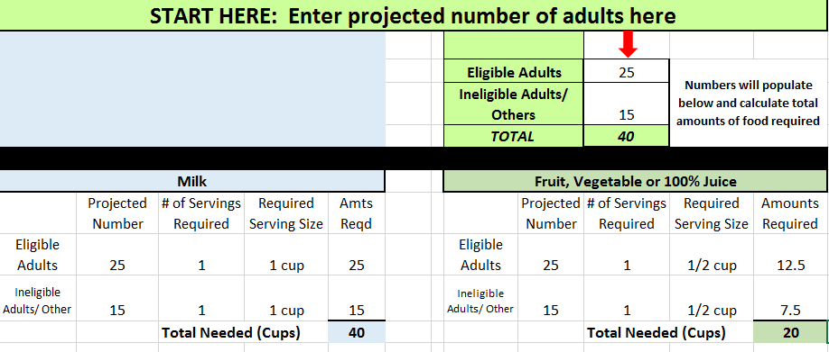

2. This worksheet automatically calculates the total required amount for each component. Record this amount on the production record in the 'Amounts Required' column.

3. Use the Food Buying Guide or the online Food Buying Guide Calculator (http://fbg.theicn.org/) to determine how much of each food item is needed to buy and/or prepare to meet the minimum required amounts.

Important Serving Size Information

Grains Servings
Number of Required Servings: The CACFP meal pattern requires that adults be served a minimum 2 slices/servings for breakfast and lunch, which may consist of two servings of the same food item or one serving of two different food items. Snacks require 1 slice/serving.

Required Serving Sizes: What is considered a "serving" or "slice" differs among grains items based on average grain content. The serving size information listed above a product's nutrition facts label is typically not the same serving size as required by the CACFP meal pattern.
Once you have used this excel workbook to determine the number of grain servings required, refer to the CACFP Grains Chart (Food Buying Guide: Exhibit A) which is provided on the green Grains Chart tab of this workbook, and locate the "Group" containing the type of grain item you are serving. Use the serving size information for the appropriate group within the Grains Chart and the grain item's serving size information listed above its nutrition facts label for determining the portion needed to meet the minimum CACFP serving size requirement for that specific grain item. Then, depending on the required portion size, determine how much in total must be purchased, prepared, and served.
Fruit/Vegetable Component at Lunch/Supper The lunch and supper meals require at least one vegetable to be served with a second vegetable or fruit. When calculating the amounts needed, the 'Total Needed Cups' is for the combination of the 2 or more kinds of vegetable(s) and/or a vegetable and fruit served, not for each.
Meat/Meat Alternate Component: Meats, Poultry, and Fish
The serving size requirements within the CACFP Meal Pattern and total amounts required, as calculated within this CACFP Meal Requirement Calculation Workbook, for meats, poultry, and fish are in the cooked or edible amount, not the purchased or raw amount. Use the Food Buying Guide or online Food Buying Guide Calculator (http://fbg.theicn.org/) to determine the total amount of the meat in its raw form that must be purchased and prepared for serving the equivalent of 2 ounces of meat per person.

CACFP Meal Pattern
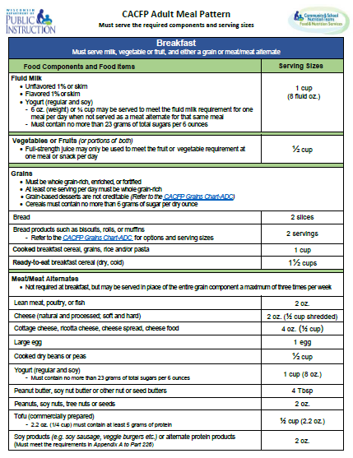
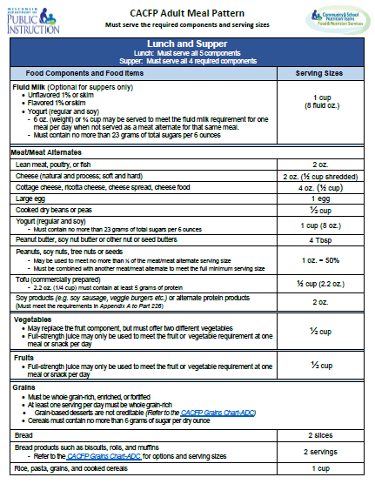
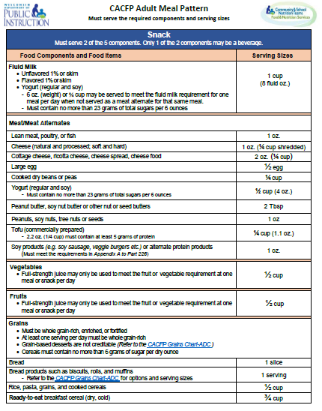

Grains Chart
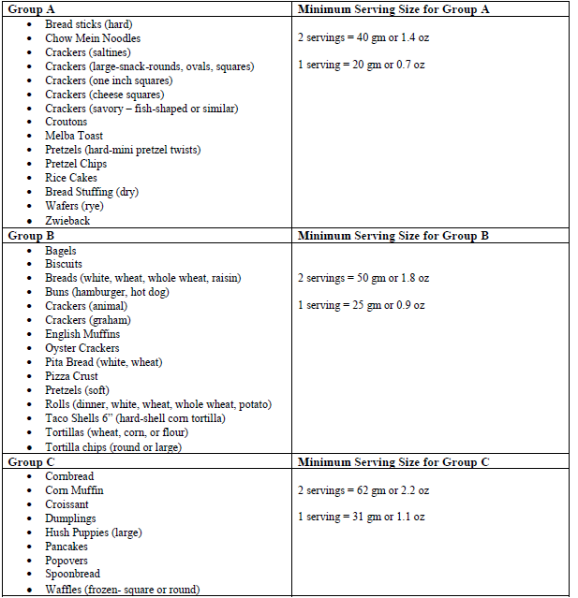
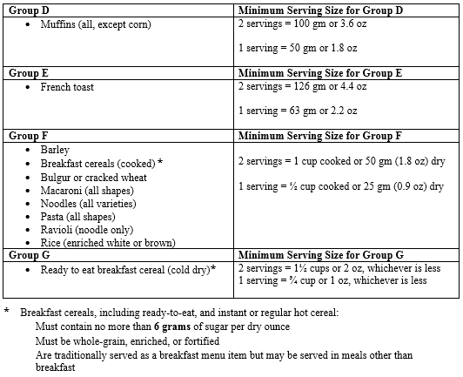

Grains Calculator
Grains Calculator¹
Use this worksheet to determine the serving size for purchased grains (such as crackers, muffins) listed in groups A-E on the Grains Chart to meet the CACFP meal pattern requirements.

STEP 1 — Read the ingredients list to make sure the grain is creditable. It must be whole grain or enriched.

STEP 2 — Look at the nutrition facts label to determine the serving size and the weight in grams. For food items listed in ounces, use the orange box to convert from ounces to grams. Refer to examples below.

Sample Nutrition Facts Label
 |  |  | Serving Size |  | Weight (grams)⁶: |  |  | Convert indivdually packaged foods that are in ounces to grams.
 |  |  |  |  |  |  |  | Package Size |  |  | Ounces | 0 |  | Grams


 |  | The manufacturer's serving size on the Nutrition Facts label is usually different from the required CACFP serving size.

STEP 3 — Determine the CACFP serving size by finding the food item on the Grains Chart and entering that group it falls under. For example, saltine crackers fall under Group A. The serving size will pre-popluate after selecting the 'Tab' key.

 |  |  |  |  |  |  | 2 Servings (required for breakfast & lunch) |  |  |  |  | 1 Serving (for snacks)
 |  | List the Grain Group for this product: |  |  |  | Required weight (g) of CACFP serving: |  |  | 0 | grams |  | FALSE | grams

 |  |  |  | REQUIRED CACFP SERVING SIZE (NUMBER OF PIECES/PACKAGES)⁷: |  |  |  |  | #DIV/0! | pieces/packages |  | #DIV/0! | pieces/packages

1 | This worksheet is only for commercially made products in groups A-E of Serving Sizes for Grains the CACFP, e.g., crackers, muffins and bagels. For breakfast cereals (groups H and I), refer to the Grains Chart. For cooked cereal grains (e.g., pasta, rice, barley and bulgur), use the volume measures specified in group H on the Grains Chart.
Adapted from the Connecticut State Department of Education, Worksheet 1--Purchased Grains/Breads, 2015

