Details to Understand Mapping
The CS Standards included in this mapping have an imense value to educators as they plan out lessons, review curriculum, and deliver instruction. Standards create a structure, sequence, and process for learning to be verified. Standards set clear and measurable goals. There’s a common misunderstanding surrounding standards. Individuals often perceive standards as the curriculum or course of study in a particular subject. Rather, standards inform educators about what the outcomes of a course of study should be. Common Core and other state college and career readiness standards define the skills and knowledge that students must obtain to be prepared for college, work and life; standards also guide the goals that educators must work toward.
Standards inform instruction. Standards are what curriculum, assessments and professional development are designed to support and achieve. Curriculum development starts with standards. Standards-based curriculum is designed around Depth of Knowledge (DOK), which was developed to ensure accountability, student achievement and that learning will lead to successful outcomes on high stakes exams.
To develop curriculum content, we also utilize Understanding by Design, or Backward Design. In this process, we begin with assessments as opposed to curriculum, determining the specific skills and knowledge that are being assessed and defining the level of rigor students are required to reach in those areas. We then ask ourselves what would be the most effective way to assess student performance to show mastery to the level of rigor necessary. Finally, we build instruction to align with the assessment. If standards change or new standards are introduced, we use this process to create new content that will help students achieve them.
Standards help measure achievement. The dictionary.com definition of “standard” is “something considered by an authority or by general consent as the basis of comparison; an approved model.” This describes the basic idea of Common Core and other state college and career readiness standards. These form a common set of goals that can be measured within a state or across the country to determine student success.

Reference regarding standards

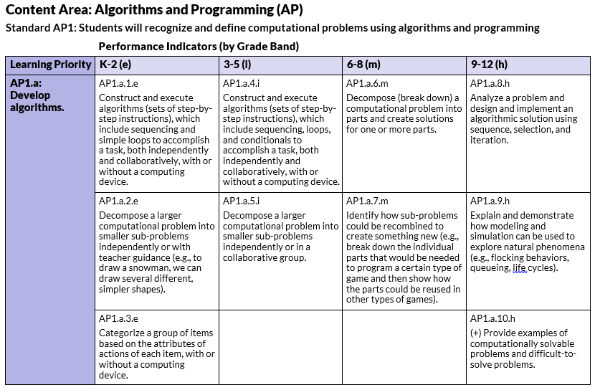

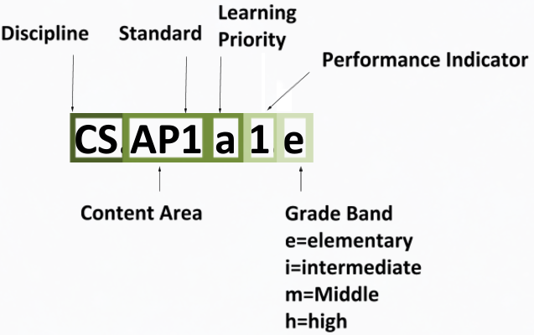

Standards Formatting
· Standard: Broad statement that tells what students are expected to know or be able to do
· Learning priority: Breaks down the broad statement into manageable learning pieces
· Performance indicator by grade band: Measurable degree to which a standard has been developed or met
Grade Bands
Grade bands of K-2, 3-5, 6-8, and 9-12 align to typical elementary, middle, and high school levels
· Grade band K-2 and 3-5 performance indicators represent knowledge and skills that should be integrated throughout the elementary curriculum.
· Computer science education should be part of the core curriculum for all middle school students. Awareness, exploration, and building foundational skills should occur in middle school.
· Computer science education at the high school level continues to develop student foundational understanding of CS in the world through in-depth CS learning, including awareness and exploration activities. Performance indicators marked with a (+) for grades 9-12 represent advanced CS learning expectations for students with aspirations toward careers and postsecondary studies in computing disciplines.

Grade Band Standard and Course Mapping

Course Name

Within Microsoft Imagine Academy members will have access to Learning Paths. Microsoft Imagine Academy’s Learning Paths provide Educators and Learners with a prescribed curriculum roadmap that serves as a blueprint for technology skill development and certification in specific areas of study, including Productivity, Computer Science, Data Science (2017), and IT Infrastructure (2017). Learning Paths have been developed with curriculum ranging from early-learner/beginner level, up to more intermediate and advanced level courses, and may include a variety of resources such as Online Learning videos, Microsoft Official Academic Courses (MOAC), Instructor Resources, Student OneNotes, and a Learning Path OneNote guide.

Microsoft Imagine Academy is a comprehensive program that supports ongoing technology education for students, teachers and other education professionals spanning computer basics to high-level programming, along with cloud and infrastructure management using Microsoft technologies. The program’s resources include access to online learning content, Official Microsoft Academic Courses, classroom curriculum, and instructor tools. “Microsoft is committed to empowering students and teachers around the world to reach their full potential,” said Alison Cunard, General Manager for Microsoft Learning Experience. “By combining education and cutting-edge technology, the Microsoft Imagine Academy helps enable success and prosperity in an evolving global economy.” Microsoft Imagine Academy will provide a convenient and flexible learning environment where students can get hands-on experience with the latest technology to gain a competitive edge in today’s job market or the next step in their academics. Understanding how to use and implementing the CS Mapping Guide will empower educators to identify the Standard and the Learning Priority that aligns to the lesson(s) within the course (curriculum). Multiple areas of CS Education are included within each Standard Set as well as within each Lesson. To have them come together can give added value to educational organizations as they strive to meet the demands of an ever-growing skills gap within tech.

