SY22-23 MOZZARELLA REBATE
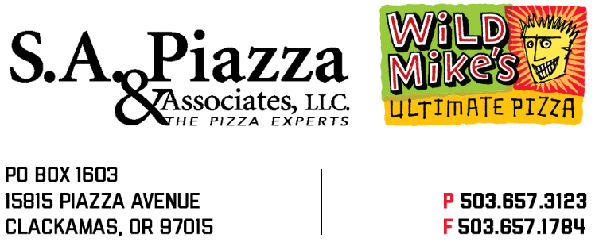
2022-2023 School Year Rebate Application July 1, 2022- June 30, 2023
SEND TO: mcaton@sapiazza.com AND dirvine@sapiazza.com
CC: Your Regional Sales Manager

STATE RECIPIENT AGENCY #

NAME OF APPLYING AGENCY

ADDRESS

 |  |  | DISTRIBUTOR NAME
CITY/STATE/ZIP |  |  |  | Please submit one rebate application per distributor

FOR THE MONTH OF:

Refund applications should be submitted within 30 days from the end of the purchase month. I certify that purchase invoices
are on file to substantiate that the listed products were purchased and the refund received will be deposited for food service
use only. No other refund application has been submitted for the listed products.

SIGNATURE OF AGENCY REPRESENTATIVE DATE |  | TELEPHONE NUMBER
 |  |  | Mozz | Mozzerella
 |  | Cases | Cheese | Cheese | TOTAL
Code | Product Description | Purchased | lbs/CS | $1.8369 | REFUND
20210 | Wild Mike's 10-Cut Pepperoni |  | 9.95 | $18.28 | $0.00
20211 | Wild Mike's 10-Cut Cheese |  | 11.44 | $21.01 | $0.00
90700 | Wild Mike's 10-Cut Pepperoni - All Beef |  | 9.87 | $18.13 | $0.00
20310 | Wild Mike's 8-Cut Pepperoni |  | 7.96 | $14.62 | $0.00
20311 | Wild Mike's 8-Cut Cheese |  | 9.15 | $16.81 | $0.00
20312 | Wild Mike's 8-Cut Pepperoni - All Beefk |  | 7.96 | $14.62 | $0.00
90500 | Wild Mike's IW Pepperoni |  | 9.95 | $18.28 | $0.00
90501 | Wild Mike's IW Cheese |  | 11.44 | $21.01 | $0.00
15010 | Wild Mike's Uncut Pepperoni |  | 8.85 | $16.26 | $0.00
15011 | Wild Mike's Uncut Cheese |  | 10.17 | $18.68 | $0.00
80549 | Wild Mike's 5" Deep Dish Pepperoni - All Beef |  | 8.77 | $16.11 | $0.00
80550 | Wild Mike's 5" Deep Dish Cheese |  | 10.08 | $18.52 | $0.00
80649 | Wild Mike's 5" IW Deep Dish Pepperoni - All Beef |  | 8.77 | $16.11 | $0.00
80650 | Wild Mike's 5" IW Deep Dish Cheese |  | 10.08 | $18.52 | $0.00
90302 | Wild Mike's Breakfast - All Beef |  | 6.47 | $11.88 | $0.00
90502 | Wild Mike's IW Breakfast - All Beef |  | 7.19 | $13.21 | $0.00
90303 | Wild Mike's IW Breakfast - All Beef WHITE COUNTRY GRAVY |  | 6.39 | $11.74 | $0.00
90503 | Wild Mike's IW Breakfast - All Beef WHITE COUNTRY GRAVY |  | 7.10 | $13.04 | $0.00
11001 | Wild Mike's BULK Cheese Bread Stick |  | 7.00 | $12.86 | $0.00
11003 | Wild Mike's Cheese Bites |  | 7.50 | $13.78 | $0.00
11009 | Wild Mike's Cheese Pocket BULK |  | 10.5 | $19.29 | $0.00
11119 | Wild Mike's Cheese Pocket IW |  | 10.5 | $19.29 | $0.00
11008 | Wild Mike's Cheese & Jalapeno Bites BULK |  | 7.50 | $13.78 | $0.00
11113 | Wild Mike's Cheese Bites IW |  | 7.50 | $13.78 | $0.00
11118 | Wild Mike's Cheese & Jalapeno Bites IW |  | 7.50 | $13.78 | $0.00
 | TOTAL REBATE |  |  |  | 0.00

 |  |  |  |  | Revised 06/14/2022

